SIMULATE
NEURAL NETWORKS SIMULATION



 | INPUT DATA |  |  | TRAINING |  |  |  |  |  |  |  | NEURAL NETWORK
 | Alphabets | Numnber
 | A | 0.0000 |  | Input |  | Hidden layer 1 |  | Hidden layer 2 |  | Output | RMSE
w3
 | B | 0.0385 |  | Value | Actual | n1h1 | n2h1 | n1h2 | n2h2
n1h1
n1h2
 | C | 0.0770 |  | W | 0.84717 | 0.00026 | 0.97316 | 0.00043 | 0.30849 | 0.84773 | 0.07200
w7
 | D | 0.1155 |  | H | 0.26952 | 0.00023 | 0.01007 | 0.00040 | 0.00043 | 0.00119
w1
 | E | 0.1540 |  | Y | 0.92419 | 0.00026 | 0.99082 | 0.00044 | 0.33626 | 0.92405
 | F | 0.1925 |  | TESTING
w5
w4
OUT
 | G | 0.2310
IN
 | H | 0.2695 |  | Input |  | Hidden layer 1 |  | Hidden layer 2 |  | Output | Error
 | I | 0.3080 |  | Value | Actual | n1h1 | n2h2 | n1h2 | n2h2
w8
 | J | 0.3465 |  | S | 0.69313 | 0.00025 | 0.52985 | 0.00042 | 0.01801 | 0.04950 | 0.644
w2
n2h1
n2h2
 | K | 0.3851 |  | WEIGHTS & BIAS |  |  |  |  |  |  |  |  |  |  | Bias = B3
 | L | 0.4236
w6
 | M | 0.4621 |  | W1 | W2 | B1 | WEIGHTS ARE ADJUSTED WHILE BACK PROPAGATION
 | N | 0.5006 |  | 0.17 | 14.16 | 8.40
Linear
 | O | 0.5391
 | P | 0.5776 |  | W3 | W4 | B2 |  |  |  |  |  |  | Bias = B1 | Bias = B2
 | Q | 0.6161 |  | 0.10 | 0.08 | 7.82
Sigmoid
 | R | 0.6546
Sigmoid
 | S | 0.6931 |  | W5 | W6
 | T | 0.7316 |  | 22.00 | 7.20
 | U | 0.7702
 | V | 0.8087 |  | W7 | W8 | B3
 | W | 0.8472 |  | 0.00 | 2.75 | 0.00
 | X | 0.8857
 | Y | 0.9242
 | Z | 0.9627

 |  |  | 0.038461538462

PROPAGATION
NEURAL NETWORKS SIMULATION

FORWARD PROPAGATION
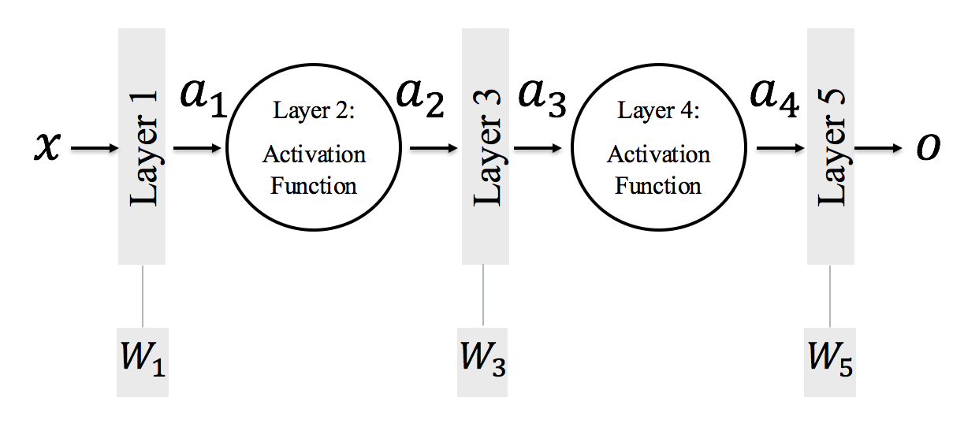

 | TRAIN

 | Input | Weights |  | Activation |  | Weights |  | Activation |  | Weights | Output
 | X | W1 | A1 | AF | A2 | W3 | A3 | AF | A4 | W5 | O
 | 0.8472 | 0.56 | 0.814432 | Sigmoid | 0.69305313166 | 0.6 | 0.715831879 | sigmoid | 0.67168850892 | 0.65 | 0.8365975308
 |  | B |  |  |  | B |  |  |  | B
 |  | 0.34 |  |  |  | 0.3 |  |  |  | 0.4
 |  | BIAS |  |  |  | BIAS |  |  |  | BIAS

 | TEST

 | Input | Weights |  | Activation |  | Weights |  | Activation |  | Weights | Output
 | X | W1 | A1 | AF | A2 | W3 | A3 | AF | A4 | W5 | O
 | 0.95 | 0.56 | 0.932 | Sigmoid | 0.71748086592 | 0.74 | 1.0209358408 | sigmoid | 0.73515484982 | 0.66 | 0.95020220088
 |  | B |  |  |  | B |  |  |  | B
 |  | 0.4 |  |  |  | 0.49 |  |  |  | 0.465
 |  | BIAS |  |  |  | BIAS |  |  |  | BIAS

BACKWARD PROPAGATION
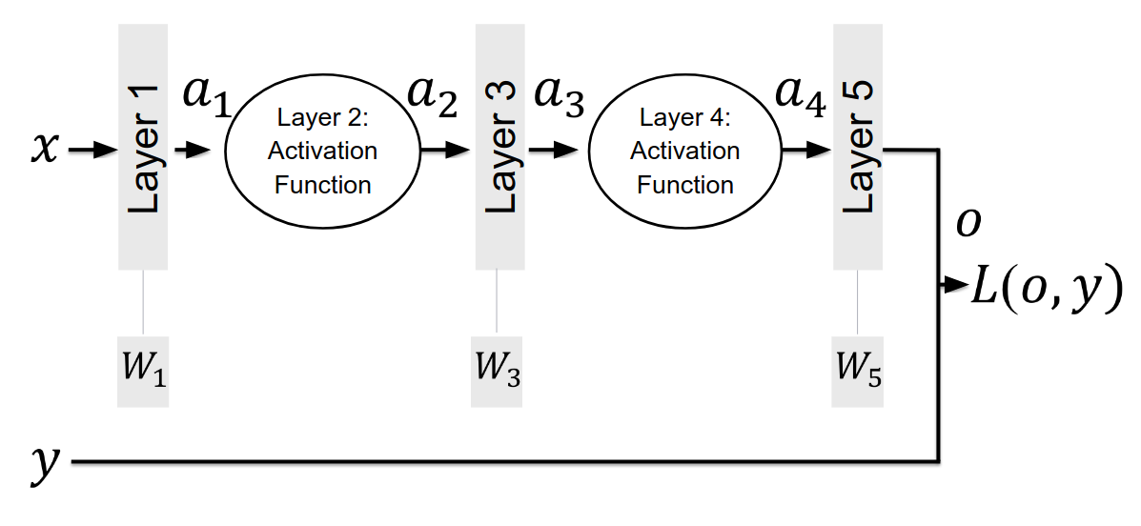

 | TRAIN

 | Input | Weights |  | Activation |  | Weights |  | Activation |  | Weights | Output | Loss
 | X | W1 | A1 | AF | A2 | W3 | A3 | AF | A4 | W5 | O | L
 | 0.8472 | 0.5600 | 0.8144 | Sigmoid | 0.6931 | 0.6000 | 0.7158 | sigmoid | 0.6717 | 0.6500 | 0.8366 | 0.0106
 |  | B |  |  |  | B |  |  |  | B
 |  | 0.34 |  |  |  | 0.3 |  |  |  | 0.4 |  |  | Chain Rule
 |  | BIAS |  |  |  | BIAS |  |  |  | BIAS |  |  | DL/DO | DO/DW5 | DL/DW5
 |  |  |  |  |  |  |  |  |  |  |  |  | 0.01267 | 1.28707 | 0.01631
 | TEST |  |  |  |  |  |  |  |  |  |  |  | W5 has to be increased by this number

 | Input | Weights |  | Activation |  | Weights |  | Activation |  | Weights | Output | Loss
 | X | W1 | A1 | AF | A2 | W3 | A3 | AF | A4 | W5 | O | L
 | 0.9500 | 0.5600 | 0.8720 | Sigmoid | 0.7052 | 0.6000 | 0.7231 | sigmoid | 0.6733 | 0.6500 | 0.8636 | 0.0864
 |  | B |  |  |  | B |  |  |  | B
 |  | 0.34 |  |  |  | 0.3 |  |  |  | 0.426
 |  | BIAS |  |  |  | BIAS |  |  |  | BIAS

